Cordon Map
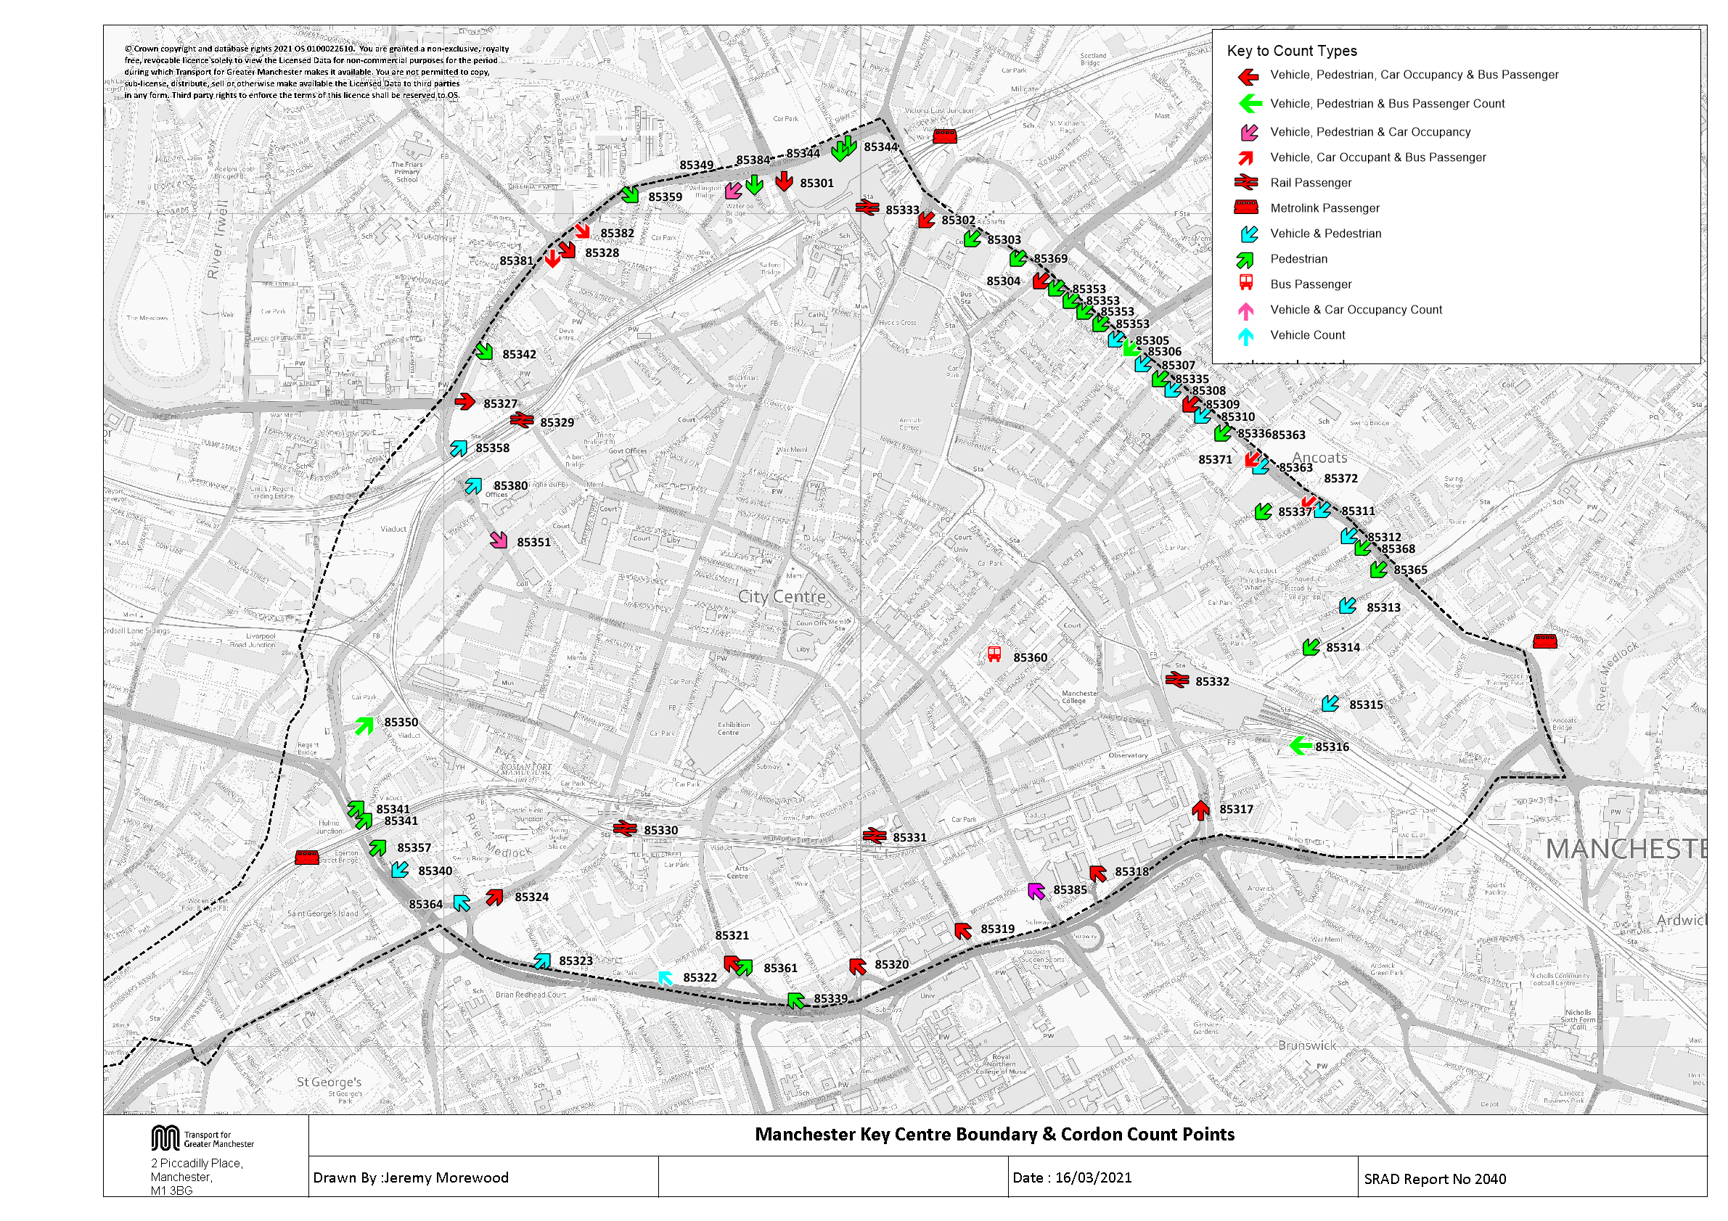

NOMA Cordon Map
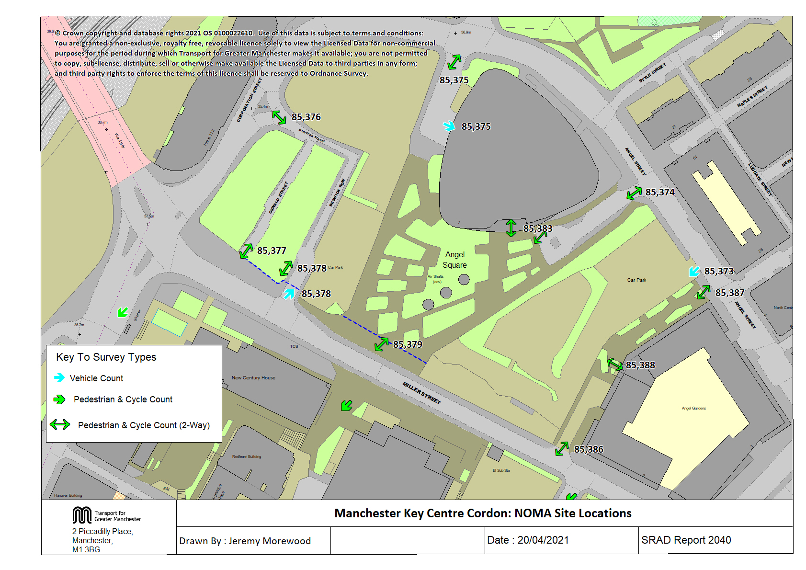

Tab 17 KC Traffic Trend
Trend in Vehicles Crossing Manchester Key Centre Cordon

Table 17 Manchester Key Centre Cordon Counts 1997, 1999, 2002, 2005 & 2009-2020
Time Period | Year | Cars | LGV | OGV | Buses | M/C | P/C | All |  |  | Cars | LGV | OGV | Buses | M/C | P/C | All
07:30-09:30 | 1997 | 27989 | 2004 | 815 | 1079 | 281 | 704 | 32872 |  | 1997 | 27989 | 2004 | 815 | 1079 | 281 | 704 | 32872
 | 1999 | 29194 | 2255 | 730 | 1053 | 276 | 645 | 34153 |  | 1998
 | 2002 | 25980 | 2201 | 469 | 985 | 290 | 509 | 30434 |  | 1999 | 29194 | 2255 | 730 | 1053 | 276 | 645 | 34153
 | 2005 | 27139 | 2079 | 561 | 1000 | 277 | 562 | 31618 |  | 2000
 | 2006 | 24968 | 2136 | 450 | 1019 | 231 | 470 | 29274 |  | 2001
 | 2009 | 21968 | 1675 | 510 | 997 | 274 | 1102 | 26526 |  | 2002 | 25980 | 2201 | 469 | 985 | 290 | 509 | 30434
 | 2010 | 21408 | 1657 | 280 | 973 | 248 | 1143 | 25709 |  | 2003
 | 2011 | 21103 | 1591 | 298 | 956 | 247 | 1190 | 25385 |  | 2004
 | 2012 | 20105 | 1663 | 284 | 902 | 269 | 1476 | 24699 |  | 2005 | 27139 | 2079 | 561 | 1000 | 277 | 562 | 31618
 | 2013 | 21282 | 1597 | 283 | 993 | 230 | 1542 | 25927 |  | 2006 | 24968 | 2136 | 450 | 1019 | 231 | 470 | 29274
 | 2014 | 20668 | 1537 | 297 | 878 | 254 | 1638 | 25272 |  | 2007
 | 2015 | 19854 | 1650 | 309 | 865 | 228 | 1648 | 24554 |  | 2008
 | 2016 | 20147 | 1623 | 450 | 830 | 222 | 1781 | 25053 |  | 2009 | 21968 | 1675 | 510 | 997 | 274 | 1102 | 26526
 | 2017 | 18858 | 1573 | 469 | 791 | 206 | 1892 | 23789 |  | 2010 | 21408 | 1657 | 280 | 973 | 248 | 1143 | 25709
 | 2018 | 18250 | 1500 | 534 | 810 | 198 | 2132 | 23424 |  | 2011 | 21103 | 1591 | 298 | 956 | 247 | 1190 | 25385
 | 2019 | 17660 | 1540 | 414 | 789 | 217 | 2477 | 23097 | 0.97 | 2012 | 20105 | 1663 | 284 | 902 | 269 | 1476 | 24699
 | 2020 | 18317 | 1710 | 445 | 804 | 178 | 1954 | 23408 |  | 2013 | 21282 | 1597 | 283 | 993 | 230 | 1542 | 25927
 | 2020/1997 | 0.65 | 0.85 | 0.55 | 0.75 | 0.63 | 2.78 | 0.71 |  | 2014 | 20668 | 1537 | 297 | 878 | 254 | 1638 | 25272
10:00-12:00 | 1997 | 14312 | 2008 | 973 | 973 | 208 | 285 | 18759 |  | 2015 | 19854 | 1650 | 309 | 865 | 228 | 1648 | 24554
 | 1999 | 14242 | 2137 | 842 | 1096 | 148 | 232 | 18697 |  | 2016 | 20147 | 1623 | 450 | 830 | 222 | 1781 | 25053
 | 2002 | 13303 | 1999 | 615 | 1023 | 138 | 184 | 17262 |  | 2017 | 18858 | 1573 | 469 | 791 | 206 | 1892 | 23789
 | 2005 | 12526 | 2067 | 607 | 1101 | 85 | 234 | 16620 |  | 2018 | 18250 | 1500 | 534 | 810 | 198 | 2129 | 23421
 | 2006 | 13057 | 2085 | 500 | 1083 | 75 | 139 | 16939 |  | 2019 | 17660 | 1540 | 414 | 789 | 217 | 2477 | 23097
 | 2009 | 11978 | 1812 | 556 | 1075 | 101 | 466 | 15988 |  | 2020 | 18317 | 1710 | 445 | 804 | 178 | 1954 | 23408
 | 2010 | 10912 | 1661 | 316 | 1008 | 53 | 321 | 14271
 | 2011 | 10500 | 1672 | 302 | 961 | 65 | 368 | 13868
 | 2012 | 9587 | 1677 | 251 | 940 | 65 | 456 | 12976
 | 2013 | 10384 | 1698 | 296 | 915 | 57 | 410 | 13760 |  | 1997 | 14312 | 2008 | 973 | 973 | 208 | 285 | 18759
 | 2014 | 10079 | 1571 | 351 | 873 | 58 | 411 | 13343
 | 2015 | 10010 | 1694 | 355 | 890 | 80 | 486 | 13515 |  | 1999 | 14242 | 2137 | 842 | 1096 | 148 | 232 | 18697
 | 2016 | 10756 | 1771 | 521 | 982 | 69 | 525 | 14624
 | 2017 | 10403 | 1625 | 527 | 843 | 91 | 557 | 14046
 | 2018 | 10461 | 1557 | 571 | 857 | 69 | 578 | 14093 |  | 2002 | 13303 | 1999 | 615 | 1023 | 138 | 184 | 17262
 | 2019 | 10706 | 1801 | 495 | 823 | 68 | 651 | 14544
 | 2020 | 11040 | 1843 | 457 | 797 | 56 | 502 | 14695 | 1.04
 | 2020/1997 | 0.77 | 0.92 | 0.47 | 0.82 | 0.27 | 1.76 | 0.78 |  | 2005 | 12526 | 2067 | 607 | 1101 | 85 | 234 | 16620
Manchester Key Centre Inbound Vehicle Counts
 | 07:30-09:30 | 10:00-12:00
1997 | 32872 | 18759
1998
1999 | 34153 | 18697
2000
2001
2002 | 30434 | 17262
2003
2004
2005 | 31618 | 16620
2006 | 29274 | 16939
2007
2008
2009 | 26526 | 15988
2010 | 25709 | 14271
2011 | 25385 | 13868
2012 | 24699 | 12976
2013 | 25927 | 13760
2014 | 25272 | 13343
2015 | 24554 | 13515
2016 | 25053 | 14624
2017 | 23789 | 14046
2018 | 23420.666667 | 14090
2019 | 23097 | 14544
2020 | 23408 | 14695
 |  |  |  |  |  |  |  |  |  | 2006 | 13057 | 2085 | 500 | 1083 | 75 | 139 | 16939

 |  |  |  |  |  |  |  |  |  | 2009 | 11978 | 1812 | 556 | 1075 | 101 | 466 | 15988
 |  |  |  |  |  |  |  |  |  | 2010 | 10912 | 1661 | 316 | 1008 | 53 | 321 | 14271
 |  |  |  |  |  |  |  |  |  | 2011 | 10500 | 1672 | 302 | 961 | 65 | 368 | 13868
 |  |  |  |  |  |  |  |  |  | 2012 | 9587 | 1677 | 251 | 940 | 65 | 456 | 12976
 |  |  |  |  |  |  |  |  |  | 2013 | 10384 | 1698 | 296 | 915 | 57 | 410 | 13760
 |  |  |  |  |  |  |  |  |  | 2014 | 10079 | 1571 | 351 | 873 | 58 | 411 | 13343
 |  |  |  |  |  |  |  |  |  | 2015 | 10010 | 1694 | 355 | 890 | 80 | 486 | 13515
 |  |  |  |  |  |  |  |  |  | 2016 | 10756 | 1771 | 521 | 982 | 69 | 525 | 14624
 |  |  |  |  |  |  |  |  |  | 2017 | 10403 | 1625 | 527 | 843 | 91 | 557 | 14046
 |  |  |  |  |  |  |  |  |  | 2018 | 10461 | 1557 | 571 | 857 | 69 | 575 | 14090
 |  |  |  |  |  |  |  |  |  | 2019 | 10706 | 1801 | 495 | 823 | 68 | 651 | 14544
 |  |  |  |  |  |  |  |  |  | 2020 | 11040 | 1843 | 457 | 797 | 56 | 502 | 14695

Table 23 KC Car&Non-carTrips
Car and Non-Car Trips into Manchester Key Centre 07:30-09:30
 | Car | Bus | Walk | Rail | Metro | Cycle
2002 | 31955 | 25254 | 5653 | 16612 | 6301 | 509
2003
2004
2005 | 32567 | 24696 | 6143 | 16743 | 6556 | 562
2006 | 32958 | 25071 | 7485 | 18402 | 6048 | 470
2007
2008
2009 | 27021 | 24615 | 8877 | 20386 | 6716 | 1102
2010 | 27402 | 23418 | 9599 | 21291 | 6448 | 1143
2011 | 26801 | 22438 | 9207 | 22899 | 6832 | 1190
2012 | 25734 | 22286 | 11009 | 22414 | 7787 | 1476
2013 | 26815 | 23300 | 10348 | 25949 | 9086 | 1542
2014 | 25835 | 23038 | 10277 | 24914 | 10731 | 1638
2015 | 24988 | 23092 | 10506 | 25435 | 10942 | 1648
2016 | 25085 | 22640 | 11773 | 28533 | 13183 | 1781
2017 | 23779 | 21727 | 11821 | 28669 | 14437 | 1892
2018 | 23377 | 21210 | 12734 | 28527 | 18100 | 2132
2019 | 22623 | 22669 | 14463 | 28709 | 18983 | 2477
2020* | 23319 | 21701 | 13352 | 14699 | 14874 | 1954
Table 23 Car and Non-Car Trips into Manchester Key Centre
Time Period | Year | Car | Bus | Rail | Metro | Cycle | Walk | Total | % Car | % Non-Car
07:30-09:30 | 2002 | 31955 | 25254 | 16612 | 6301 | 509 | 5653 | 86284 | 37 | 63
 | 2003
 | 2004
 | 2005 | 32567 | 24696 | 16743 | 6556 | 562 | 6143 | 87267 | 37 | 63
 | 2006 | 32958 | 25071 | 18402 | 6048 | 470 | 7485 | 90434 | 36 | 64
 | 2007
 | 2008
 | 2009 | 27021 | 24615 | 20386 | 6716 | 1102 | 8877 | 88717 | 30 | 70
 | 2010 | 27402 | 23418 | 21291 | 6448 | 1143 | 9599 | 89301 | 31 | 69
 | 2011 | 26801 | 22438 | 22899 | 6832 | 1190 | 9207 | 89367 | 30 | 70
 | 2012 | 25734 | 22286 | 22414 | 7787 | 1476 | 11009 | 90706 | 28 | 72
 | 2013 | 26815 | 23300 | 25949 | 9086 | 1542 | 10348 | 97040 | 28 | 72
 | 2014 | 25835 | 23038 | 24914 | 10731 | 1638 | 10277 | 96433 | 27 | 73
 | 2015 | 24988 | 23092 | 25435 | 10942 | 1648 | 10506 | 96611 | 26 | 74
 | 2016 | 25085 | 22640 | 28533 | 13183 | 1781 | 11773 | 102995 | 24 | 76
 | 2017 | 23779 | 21727 | 28669 | 14437 | 1892 | 11821 | 102325 | 23 | 77
 | 2018 | 23377 | 21210 | 28527 | 18100 | 2132 | 12734 | 106079 | 22 | 78
 | 2019 | 22623 | 22669 | 28709 | 18983 | 2477 | 14463 | 109924 | 21 | 79
 | 2020* | 23319 | 21701 | 14699 | 14874 | 1954 | 13352 | 89899 | 26 | 74
 | 2020/2002 | 0.73 | 0.86 | 0.88 | 2.36 | 3.84 | 2.36 | 1.04
Car and Non-Car Trips into Manchester Key Centre 10:00-12:00
 | Car | Bus | Walk | Rail | Metro | Cycle
2002 | 17560 | 11415 | 3174 | 6287 | 2408 | 184
2003
2004
2005 | 16159 | 11655 | 3891 | 6429 | 2451 | 234
2006 | 18541 | 13079 | 3528 | 7087 | 2801 | 139
2007
2008
2009 | 15452 | 15379 | 5320 | 9906 | 3450 | 466
2010 | 15386 | 13851 | 5583 | 9266 | 2947 | 321
2011 | 14595 | 14809 | 5063 | 11523 | 2695 | 368
2012 | 13326 | 14060 | 6212 | 8847 | 3394 | 456
2013 | 14226 | 13743 | 5454 | 10281 | 4530 | 410
2014 | 14010 | 13649 | 5846 | 9921 | 5019 | 411
2015 | 14272 | 13728 | 6146 | 9073 | 4731 | 486
2016 | 14827 | 13707 | 6354 | 9244 | 4743 | 525
2017 | 14343 | 12427 | 6176 | 9887 | 5291 | 557
2018 | 15013 | 12124 | 5890 | 10996 | 5535 | 578
2019 | 15226 | 11817 | 6650 | 10019 | 5664 | 651
2020* | 15155 | 11252 | 6567 | 4201 | 4048 | 502
10:00-12:00 | 2002 | 17560 | 11415 | 6287 | 2408 | 184 | 3174 | 41028 | 43 | 57
 | 2003
 | 2004
 | 2005 | 16159 | 11655 | 6429 | 2451 | 234 | 3891 | 40818 | 40 | 60
 | 2006 | 18541 | 13079 | 7087 | 2801 | 139 | 3528 | 45175 | 41 | 59
 | 2007
 | 2008
 | 2009 | 15452 | 15379 | 9906 | 3450 | 466 | 5320 | 49973 | 31 | 69
 | 2010 | 15386 | 13851 | 9266 | 2947 | 321 | 5583 | 47354 | 32 | 68
 | 2011 | 14595 | 14809 | 11523 | 2695 | 368 | 5063 | 49053 | 30 | 70
 | 2012 | 13326 | 14060 | 8847 | 3394 | 456 | 6212 | 46295 | 29 | 71
 | 2013 | 14226 | 13743 | 10281 | 4530 | 410 | 5454 | 48644 | 29 | 71
 | 2014 | 14010 | 13649 | 9921 | 5019 | 411 | 5846 | 48856 | 29 | 71
 | 2015 | 14272 | 13728 | 9073 | 4731 | 486 | 6146 | 48436 | 29 | 71
 | 2016 | 14827 | 13707 | 9244 | 4743 | 525 | 6354 | 49400 | 30 | 70
 | 2017 | 14343 | 12427 | 9887 | 5291 | 557 | 6176 | 48681 | 29 | 71
 | 2018 | 15013 | 12124 | 10996 | 5535 | 578 | 5890 | 50136 | 30 | 70
 | 2019 | 15226 | 11817 | 10019 | 5664 | 651 | 6650 | 50027 | 30 | 70
 | 2020* | 15155 | 11252 | 4201 | 4048 | 502 | 6567 | 41725 | 36 | 64
 | 2020/2002 | 0.86 | 0.99 | 0.67 | 1.68 | 2.73 | 2.07 | 1.02

*Rail surveys in 2020 were affected by the Covid-19 pandemic (see 'Key Centre Notes')

